BOXED
AVIA MENS

 |  | SIZES
 |  | 7 | 7.5 | 8 | 8.5 | 9 | 9.5 | 10 | 10.5 | 11 | 11.5 | 12 | 13 | 14 | 15 | TOTAL
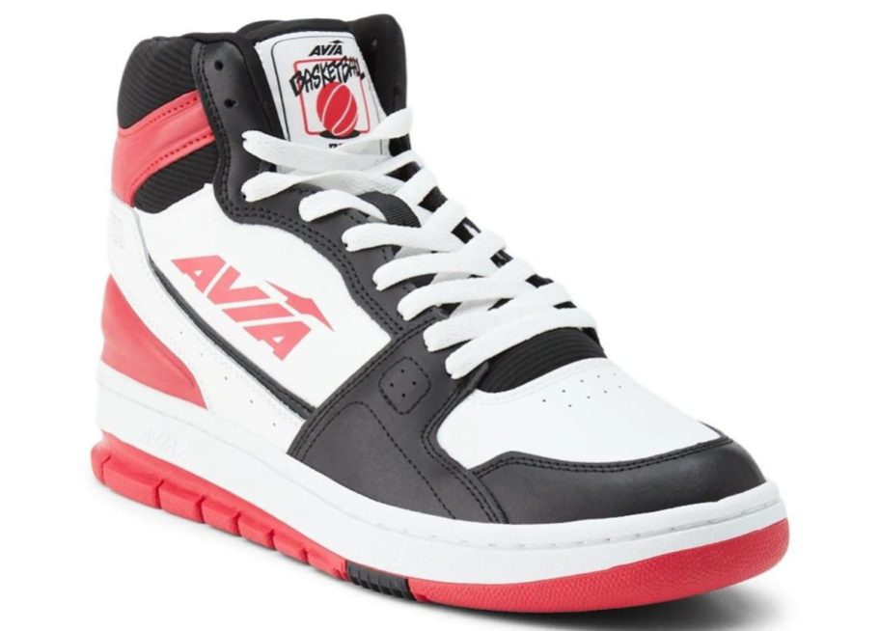 | MENS 720 | 34 | 34 | 34 | 34 | 34 | 34 | 34 | 34 | 34 | 34 | 34 | 34 |  |  | 408
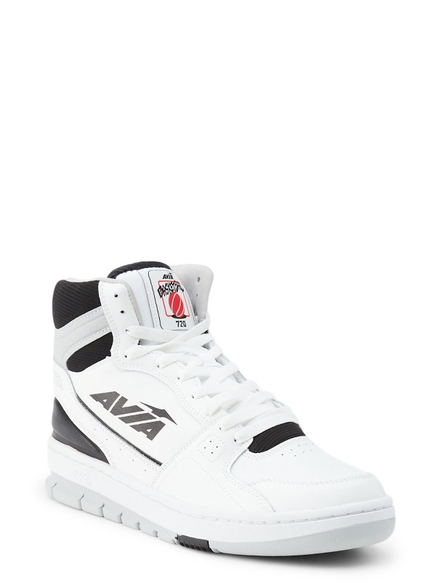 | AVIA MEN'S 720 |  |  | 110 | 114 | 80 | 80 |  |  |  |  |  |  |  |  | 384
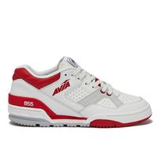 | AVIA 855 -LEATHER | 61 | 83 | 31 | 97 | 155 | 207 | 327 | 281 | 323 | 144 | 273 | 164 | 108 | 78 | 2254

 |  |  |  |  |  |  |  |  |  |  |  |  |  |  |  | 3046

